Notes
NOTES TO THE ANNUAL FINANCIAL STATEMENTS - GFI Name of issuer: ERICSSON NIKOLA TESLA D.D., KRAPINSKA 45,10000 ZAGREB Personal identification number (OIB): 84214771175 Reporting period: 01.01.2021 - 31.12.2021 Notes to the financial statements are to be drawn up in accordance with the International Financial Reporting Standards (hereinafter: IFRS) in such a way that they: a) present information about the basis for the preparation of the financial statements and the specific accounting policies used in accordance with the International Accounting Standard 1 (IAS 1), b) disclose any information required by IFRSs that is not presented elsewhere in the statement of financial position, statement of comprehensive income, statement of cash flows and statement of changes in equity, c) provide additional information that is not presented elsewhere in the statement of financial position, statement of comprehensive income, statement of cash flows and statement of changes in equity, but is relevant for understanding any of them. (d) in the notes to the financial statements, in addition to the information stated above, information in respect of the following matters shall be disclosed: 1. issuer’s name, registered office (address), legal form, country of establishment, entity’s registration number and, if applicable, the indication whether the issuer is undergoing liquidation, bankruptcy proceedings, shortened termination proceedings or extraordinary administration 2. adopted accounting policies 3. the total amount of any financial commitments, guarantees or contingencies that are not included in the balance sheet, and an indication of the nature and form of any valuable security which has been provided; any commitments concerning pensions of the issuer within the group or company linked by virtue of participating interest shall be disclosed separately 4. the amount of advances and credits granted to the members of the administrative, managerial and supervi

a)
The financial statements have been prepared in accordance with International Financial Reporting Standards adopted by the European Union (IFRSs), on the historical cost basis, with the exception of financial instruments which are carried at fair value. These comprise derivative financial instruments and financial assets and liabilities at fair value through profit or loss. Policies have been consistently applied to all the periods presented. The preparation of financial statements in conformity with IFRSs requires management to make judgements, estimates and assumptions that affect the application of policies and reported amounts of assets and liabilities, income and expenses. The estimates and underlying assumptions are reviewed on an ongoing basis. Revisions to accounting estimates are recognized in the period in which the estimate is revised if the revision affects only that period or in the period of revision and future periods if the revision affects both current and future periods. Judgements made by the executive management in the application of IFRSs that have significant effect on the financial statements and estimates are discussed in Note 4 to the audited financial statements.
b)
Information required by IFRSs that is not presented elsewhere in the statement of financial position, statement of comprehensive income, statement of cash flows and statement of changes in equity are disclosed in the notes to the audited financial stetements.

Detail analysis of sales revenue and net income by Segments is presented in the table below (Note 6 to the audited financial statements):
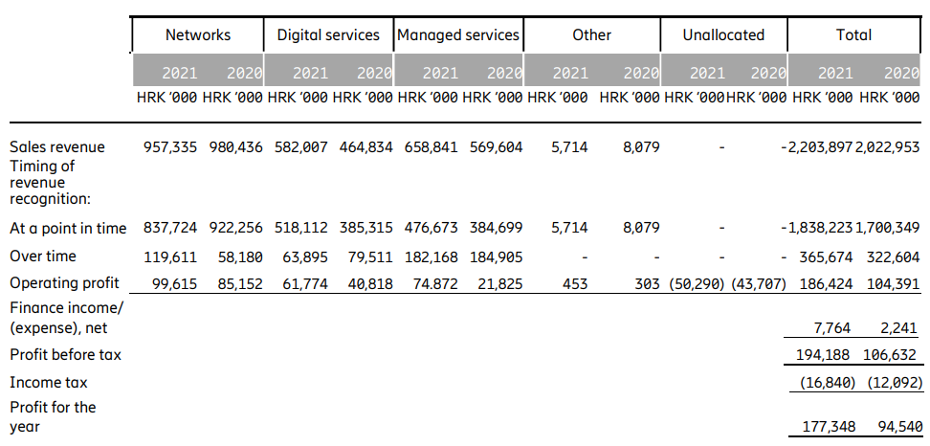

Transactions with Related Parties are shown in Note 29 of the audited financial statements.
d)
1.
Issuer’s name, registered office (address), legal form, country of establishment, entity’s registration number are disclosed in the sheet General data of this document.
2.
Adopted accounting policies are explained in the Note 1 of the audited financial statements.
3.
Financial commitments in term of guarantees that are not included in the balance sheet are not material and Management Board believes that possibility of any outflow is remote. The Group has no commitments concerning pensions that are in scope of IAS 19.
4.
The Group has no advances and credits granted to the members of the administrative, managerial and supervisory bodies, as well as commitments entered into on their behalf by way of guarantees of any kind.
5.
In the reporting period Group did not have any individual items of income or expenditure which would be of exceptional size or incidence.
6.
The Group has no debt falling due after more than five years.
At the balance sheet date, the Group does not have debts covered by valuable securities/insurance.
7. i 10.
The average number of employees was 3363 (2020: 3216). The Group does not categorise employees.
8.
No cost of salaries was capitalised in the reporting period.
9.
According to the Companies Act, article (272.r), the Remuneration Report will be available on the Group's official website as part of the materials published with the invitation to the General Assembly.
11.
Provision for deferred tax, the deferred tax balances at the end of the financial year, and the movement in those balances during the financial year are disclosed in the Note 10 of audited financial statements.
12.
The Group has no participating interest.
13.
There were no shares subscribed during the financial year within the limits of the authorised capital.
14.
There is no more than one class of shares.
15.
The Group has no participation certificates, convertible debentures, warrants, options or similar securities or rights.
16.
The Group has no shares in companies having unlimited liability.
17. i 18.
The company Telefonaktiebolaget LM Ericsson (Sweden, Torshamnsgatan 21, SE-164 83 Stockholm) prepares the consolidated financial statements for the larger Group of companies, in which Ericsson Nikola Tesla Group is included as an associate member of Ericsson.
19.
Those consolidated reports are available at www.ericsson.com/en/investors/financial-reports.
20.
Based on the provision of Article 275 of the Companies Act, the General Assembly will make a decision on the profit allocation or proposed losses covering and the same will be announced during the announcement of the invitation to hold the General Assembly.
21.
The Group did not have any arrangements that are not included in the balance sheet, where the risks or benefits arising from such arrangements are material.
22.
There are no material events arising after the balance sheet date which are not reflected in the profit and loss account or balance sheet.
23.
Sales revenue by segments/bussiness activities is presented above under b). as well as in Note 6 of the audited financial statements. There are not significant differences per types of activities per geografic markets.
24.
Fees to auditors of the Group amounted HRK 602 thousand (2020: HRK 622 thousand) as disclosed in Note 7 to the audited financial statements. Fees to auditors mainly relate to statutory audit services.
Total research and development expenditure as the basis for granting state aid for the reporting period amounted 36,517 THRK.

APPENDIX (Reconciliation of the differences arrising due to structure and classification of the positions in GFI-POD in XLS format compared to classification of the positions in the audited annual report in PDF):

Balance Sheet
Within the category Non-current assets in Statement of financial position total amount of Loans and receivables is indicated in TFI-POD form under AOP 028 Loans, deposits, etc. given, 034 Customer receivables, 035 Other receivables.
Within the category Current assets in Statement of financial position total amount of Other receivables, Income tax receivables, Financial assets at fair value through profit or loss is indicated in TFI-POD form under AOP 051 Receivables from government and other institutions,052 Other receivables,060 Investments in securities, 061 Loans, deposits, etc. given.
Within the category Equity in Statement of financial position total amount of Retained earnings is indicated in TFI-POD form under AOP 083 Retaind profit/loss brought forward and 086 Profit or Loss for the business year.
Additionally, within the category Non-current liabilities in Statement of Financial position total amount of Borrowings and Lease liabilities are shown under AOP 103 Liabilities to bank and other financial institutions.
Within the category Current liabilities in Statement of financial position total amount of Trade and other payables and Income tax payable is indicated in TFI-POD in AOP 117 Liabilities to suppliers,119 Liabilities to employees,120 Taxes, contributions and similar liabilities.
Within the category Current liabilities in Statement of financial position total amount of Accrued charges and deferred revenue and Contract liabilities is indicated in TFI-POD form under AOP 116 Liabilities for advance payments, 124 Accruals and deferred income.
Also, within the category Current liabilities in Statement of financial position total amount of Provisions is indicated in TFI-POD form under AOP 123 Other short-term liabilities.
Additionally, within the category Current liabilities in Statement of Financial position total amount of Borrowings and Lease liabilities are shown under AOP 115 Liabilities to bank and other financial institutions.

P&L
Cost structure in Statement of comprehensive income (FS form) is according to function and the presentation is different from TFI-POD forms where cost is presented by nature. Total amount of Cost of Sales, Selling, Administrative and Other operating expenses equals to amount of AOP 007 Operating expenses.

Personnel expenses are indicated in GFI-POD forms under AOP 139 Staff costs, 144 Other costs, 149 Provisions for pensions, termination benefits and similar obligations.

