Notes
NOTES TO FINANCIAL STATEMENTS – QFS (drawn up for quarterly periods) Name of the issuer: CIAK Grupa d.d. Personal identification number (OIB): 28466564680 Reporting period: 01.01.2026.-30.06.2026. Notes to financial statements for quarterly periods include: a) explanation of business events relevant to understanding changes in the statement of financial position and financial performance for the quarterly reporting period of the issuer with respect to the last business year: information is provided regarding these events and relevant information published in the last annual financial statement is updated (paragraphs 15 to 15c of the IAS 34 – Interim Financial Reporting) b) information on the access to the latest annual financial statements, for the purpose of understanding information published in the notes to financial statements drawn up for the quarterly reporting period c) a statement explaining that the same accounting policies are applied while drawing up financial statements for the quarterly reporting period as in the latest annual financial statements or, in the case where the accounting policies have changed, a description of the nature and effect of the changes (paragraph 16A(a) of the IAS 34 – Interim Financial Reporting d) a description of the financial performance in the case of the issuer whose business is seasonal (paragraphs 37 and 38 of the IAS 34 – Interim Financial Reporting) e) other disclosures prescribed by the IAS 34 – Interim Financial Reporting, and f) in the notes to the quarterly financial statements, in addition to the information stated above, information in respect of the following matters shall be disclosed: 1. issuer’s name, registered office (address), legal form, country of establishment, entity’s registration number and, if applicable, the indication whether the issuer is undergoing liquidation, bankruptcy proceedings, shortened termination proceedings or extraordinary administration 2. adopted accounting policies (only an ind

Non-consolidated financial results for the half year period ended 30 June 2026 have been prepared in accordance with IAS 34 – Interim Financial Reporting, as endorsed by the European Union (EU). Non-consolidated financial results do not include all the information and disclosures required in the annual financial statements and should be read in conjunction with the Company’s annual financial statements as of 31 December 2025. The Company’s annual financial statements are prepared in accordance with International Financial Reporting Standards (IFRS) as endorsed by EU. Financial statements are available on CIAK Grupa web-site: www.ciak.hr

The unaudited non-consolidated financial results for the six-month period ended June 30, 2026 have been prepared using the same accounting policies, presentation, and calculation methods as those applied in the preparation of the Company’s annual financial statements as of December 31, 2025.

The Company is not exposed to significant seasonal or cyclical changes in its operations.

Other disclosures prescribed by IAS 34 - Interim financial reporting that is not presented elsewhere in the statement of financial position, statement of comprehensive income, statement of cash flows and statement of changes in equity are disclosed in the non-consolidated financial results for the six-month period ended 30 June 2026.

Issuer’s name, registered office (address), legal form, country of establishment, entity’s registration number are disclosed in the sheet General data of this document and in the General information of non-consolidated financial results for the six-month period ended 30 June 2026.

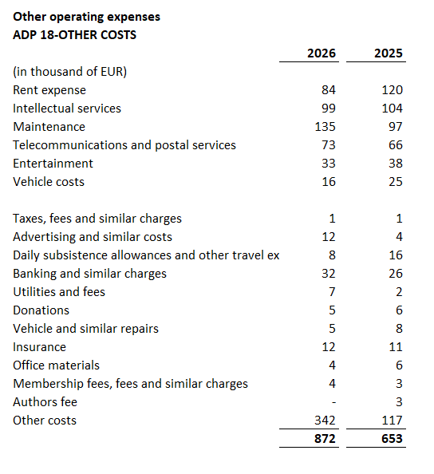

The Company enters into transactions with the related parties, owned by the Company, shareholders and other entities owned or controlled by the Company and ultimate controlling party.
The table above shows related party transactions that relate to profit and loss account balances as at 30 June 2026 and as at 30 June 2025.
The Company has liabilities maturing in more than five years amounting to EUR 8,790 thousand. These are presented under item ADP 104. The stated liabilities are secured by mortgages on real estate owned by related companies.
In the six-month period ended 30 June 2026, the average number of employees in the Company was 112. The Company does not categorise employees.
During 2026, there were no movements in deferred tax asset positions.
The Company has no participating interest.
The Company has a nominal number of shares totaling 19,751,989. The nominal value per share is EUR 1.33.
The Company has no participation certificates, convertible debentures, warrants, options or similar securities or rights.
The Company has no interests in partnerships with unlimited liability.
The consolidated financial statements of the issuer cover the largest group of companies. The majority owner of the issuer is Ivan Leko.
There are no material events arising after the balance sheet date which are not reflected in the profit and loss account or balance sheet.
Lease liabilties arising from the application of IFRS 16 are stated under ADP 103 and ADP 115, while right-of-use assets are stated under ADP 18 and ADP 19.
Provisions are presented within liabilities according to their maturity, so short-term provisions are shown under ADP 124. The amount of short-term provisions as of June 30, 2026, is €51 thousand (as of June 30, 2025: €55 thousand).

