Notes
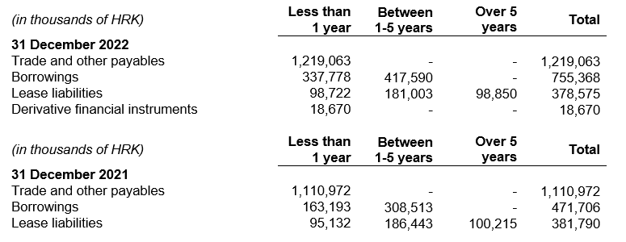
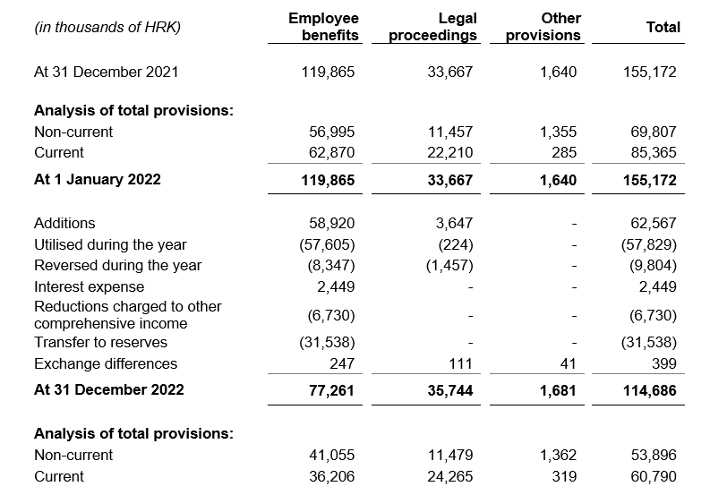
NOTES TO THE ANNUAL FINANCIAL STATEMENTS - GFI Name of issuer: Atlantic Grupa d.d. Personal identification number (OIB): 71149912416 Reporting period: 1 January 2022 - 31 December 2022 Notes to the financial statements are to be drawn up in accordance with the International Financial Reporting Standards (hereinafter: IFRS) in such a way that they: a) present information about the basis for the preparation of the financial statements and the specific accounting policies used in accordance with the International Accounting Standard 1 (IAS 1), b) disclose any information required by IFRSs that is not presented elsewhere in the statement of financial position, statement of comprehensive income, statement of cash flows and statement of changes in equity, c) provide additional information that is not presented elsewhere in the statement of financial position, statement of comprehensive income, statement of cash flows and statement of changes in equity, but is relevant for understanding any of them. (d) in the notes to the financial statements, in addition to the information stated above, information in respect of the following matters shall be disclosed: 1. issuer’s name, registered office (address), legal form, country of establishment, entity’s registration number and, if applicable, the indication whether the issuer is undergoing liquidation, bankruptcy proceedings, shortened termination proceedings or extraordinary administration 2. adopted accounting policies 3. the total amount of any financial commitments, guarantees or contingencies that are not included in the balance sheet, and an indication of the nature and form of any valuable security which has been provided; any commitments concerning pensions of the issuer within the group or company linked by virtue of participating interest shall be disclosed separately 4. the amount of advances and credits granted to the members of the administrative, managerial and supervisory bodies, with indications of the intere

The consolidated financial statements of the Group have been prepared in accordance with International Financial Reporting Standards (IFRS) which were endorsed by the European Union (EU) under the historical cost convention, as modified by the revaluation of financial assets that have been measured at fair value and derivative financial instruments.
The preparation of consolidated financial statements in conformity with IFRS which were endorsed by the EU requires the use of certain critical accounting estimates. It also requires management to exercise its judgement in the process of applying the Group’s accounting policies. The areas involving a higher degree of judgement or complexity, or areas where assumptions and estimates are significant to the consolidated financial statements, are disclosed in the Note 4 of audited consolidated financial statements.
Information required by IFRSs that is not presented elsewhere in the statement of financial position, statement of comprehensive income, statement of cash flows and statement of changes in equity are disclosed in the Notes 3 to 32 of audited consolidated financial statements.
Issuer’s name, registered office (address), legal form, country of establishment, entity’s registration number are disclosed in the sheet General data of this document and in the Note 1 of audited consolidated financial statements.
Adopted accounting policies are explained in the Notes 2.2. to 2.27 of audited consolidated financial statements.
Financial commitments at the consolidated level in term of guarantees that are not included in the balance sheet are not material and Management Board believes that possibility of any outflow is remote. Group has no commitments concerning pensions that are in scope of IAS 19.
Group has no advances and credits granted to the members of the administrative, managerial and supervisory bodies, as well as commitments entered into on their behalf by way of guarantees of any kind.

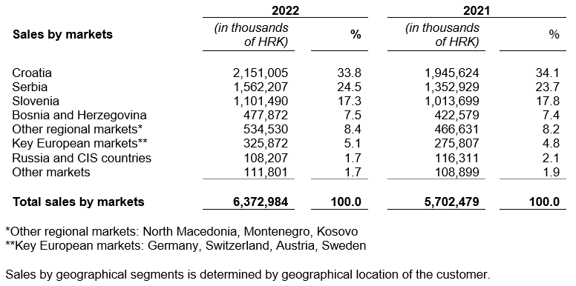
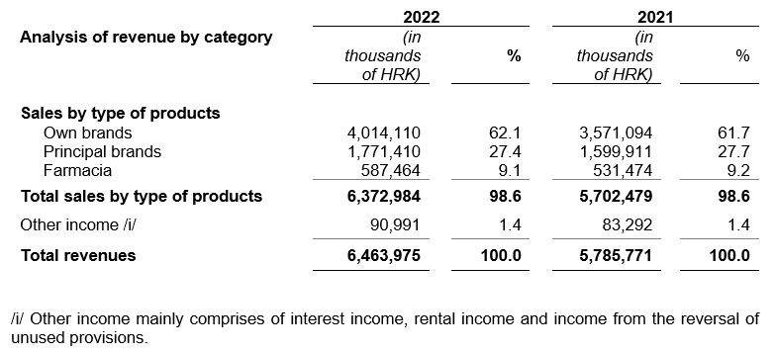

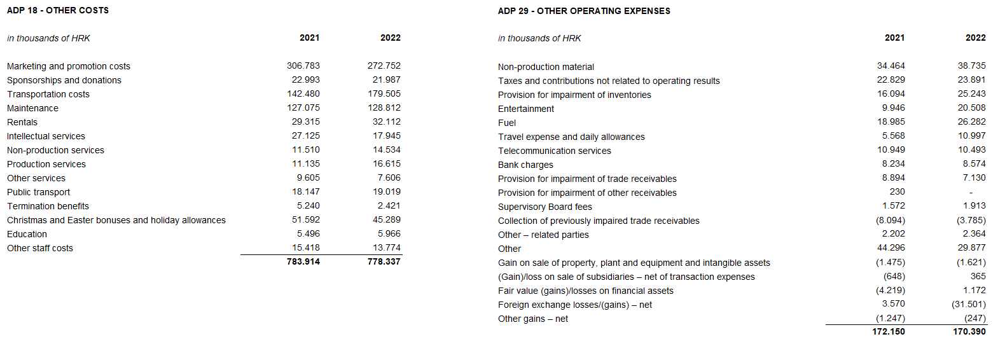

Amounts owed by the Group and falling due after more than five years relate to lease liabilities.
At 31 December 2022 and 31 December 2021 the Group has no borrowings from financial institutions secured by pledges over property, plant and equipment and intangible assets.
In 2022, the average number of employees in the Group was 5,436 (2021: 5,460). Group does not categorise employees.
No cost of salaries was capitalised in 2022.
In 2022 members of the Management Board received total gross amount of HRK 24,101 thousand relating to salaries, bonuses and other receipts in kind (2021: HRK 20,119 thousand).
Provision for deferred tax, the deferred tax balances at the end of the financial year, and the movement in those balances during the financial year are disclosed in the Note 25 of audited consolidated financial statements.
Group has no participating interest.
There were no shares subscribed during the current period within the limits of the authorised capital. At the Atlantic Grupa d.d. General Assembly held on 15 June 2022, the shareholders approved share split in a way that each of the Company’s ordinary shares with a nominal value of HRK 40.00 per share was split into four shares with a nominal amount of HRK 10.00 per share. Following the share split, the number of ordinary shares increased from 3,334,300 to 13,337,200 shares.
There is no more than one class of shares.
Group has no participation certificates, convertible debentures, warrants, options or similar securities or rights.
Group has no shares in companies having unlimited liability.
The annual consolidated financial statements of the largest group of companies are prepared by MYBERG d.o.o., Zagreb. These statements will be available within the legal deadline in the Register of Annual Financial Reports at the Financial Agency - FINA.
The audited separate and consolidated financial statements for 2022 will be submitted to the Supervisory Board for examination and propose that the Supervisory Board give its approval at the meeting scheduled according to the published calendar of events (May 15 and 16, 2023). Following the decision of the Supervisory Board, the Company's Management Board will at the same time, at the meeting of the Supervisory Board scheduled according to the published calendar of events (May 15 and 16, 2023), initiate the Supervisory Board a proposal for a decision on the use of profits to take a stand. The decision of the Supervisory Board of the Company on approval of the annual reports and, consequently, the proposal of the Management Board and the Supervisory Board on the use of profits, will be published in accordance with Article 463, paragraph 4 of the Capital Market Act.
Related parties transactions are disclosed in the Note 29 of audited consolidated financial statements.
In accordance with the Law on the Introduction of the Euro as the official currency in the Republic of Croatia, effective 1 January 2023, the EUR became the official currency and legal tender in the Republic of Croatia. The fixed rate of conversion is HRK 7.5345 for 1 EUR. The introduction of the EUR as the official currency in the Republic of Croatia represents a change in the functional currency, which will be calculated prospectively and does not represent an event after the reporting period that requires adjustment. Apart from the change in the functional currency, there were no other events after the reporting period that would have a significant impact on the Group's financial statements as of 31 December 2022 or for the year then ended.
Statutory audit services fees to the auditors of the Group’s financial statements amounted to HRK 3,469 thousand (2021: HRK 3,311 thousand), while fees related to other services amounted to HRK 146 thousand (2021: 160 thousand). Other services relate to subscription to online learning portal, Repor on remuneration of the Management Board and the Supervisory Board, related party reports and agreed upon procedures in relation to received government grants in Republic of Serbia. Tax services fees for 2022 amounted to HRK 291 thousand (2021: HRK 518 thousand).
Lease liabilties arising from the application of IFRS 16 are stated under ADP 103 and ADP 115, while right-of-use assets are stated under ADP 11 to ADP 13.
Provisions are stated within liabilities by maturity - long-term provisions are stated under ADP 107 and short-term under AOP 123. Details of provisions are disclosed in the Note 26 of audited consolidated financial statements.

