Notes
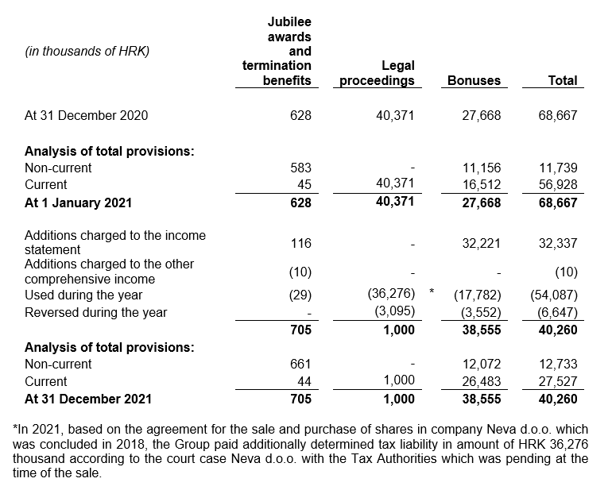
NOTES TO THE ANNUAL FINANCIAL STATEMENTS - GFI Name of issuer: FTB TURIZAM d.d. Personal identification number (OIB): 82344583628 Reporting period: 1 January 2022 - 31 December 2022 Notes to the financial statements are to be drawn up in accordance with the International Financial Reporting Standards (hereinafter: IFRS) in such a way that they: a) present information about the basis for the preparation of the financial statements and the specific accounting policies used in accordance with the International Accounting Standard 1 (IAS 1), b) disclose any information required by IFRSs that is not presented elsewhere in the statement of financial position, statement of comprehensive income, statement of cash flows and statement of changes in equity, c) provide additional information that is not presented elsewhere in the statement of financial position, statement of comprehensive income, statement of cash flows and statement of changes in equity, but is relevant for understanding any of them. (d) in the notes to the financial statements, in addition to the information stated above, information in respect of the following matters shall be disclosed: 1. issuer’s name, registered office (address), legal form, country of establishment, entity’s registration number and, if applicable, the indication whether the issuer is undergoing liquidation, bankruptcy proceedings, shortened termination proceedings or extraordinary administration 2. adopted accounting policies 3. the total amount of any financial commitments, guarantees or contingencies that are not included in the balance sheet, and an indication of the nature and form of any valuable security which has been provided; any commitments concerning pensions of the issuer within the group or company linked by virtue of participating interest shall be disclosed separately 4. the amount of advances and credits granted to the members of the administrative, managerial and supervisory bodies, with indications of the interest

