Notes
NOTES TO THE ANNUAL FINANCIAL STATEMENTS - GFI Name of issuer: Croatia osiguranje d.d. Personal identification number (OIB): 26187994862 Reporting period: 1.1.2023 - 31.12.2023 Notes to the financial statements are to be drawn up in accordance with the International Financial Reporting Standards (hereinafter: IFRS) in such a way that they: a) present information about the basis for the preparation of the financial statements and the specific accounting policies used in accordance with the International Accounting Standard 1 (IAS 1), b) disclose any information required by IFRSs that is not presented elsewhere in the statement of financial position, statement of comprehensive income, statement of cash flows and statement of changes in equity, c) provide additional information that is not presented elsewhere in the statement of financial position, statement of comprehensive income, statement of cash flows and statement of changes in equity, but is relevant for understanding any of them. (d) in the notes to the financial statements, in addition to the information stated above, information in respect of the following matters shall be disclosed: 1. issuer’s name, registered office (address), legal form, country of establishment, entity’s registration number and, if applicable, the indication whether the issuer is undergoing liquidation, bankruptcy proceedings, shortened termination proceedings or extraordinary administration 2. adopted accounting policies 3. the total amount of any financial commitments, guarantees or contingencies that are not included in the balance sheet, and an indication of the nature and form of any valuable security which has been provided; any commitments concerning pensions of the issuer within the group or company linked by virtue of participating interest shall be disclosed separately 4. the amount of advances and credits granted to the members of the administrative, managerial and supervisory bodies, with indications of

NOTES TO THE FINANCIAL STATEMENTS – GFI

a)
In accordance with Accounting Act (Official Gazette 78/15, 134/15, 120/16, 116/18, 42/20, 47/20, 114/22, 82/23), the financial statements for 2023 have been prepared in accordance with International Financial Reporting Standards ('IFRS') as adopted in the European Union and in accordance with the Ordinance on the structure and content of the financial statements for insurance or reinsurance companies (Official Gazette 20/23). These are consolidated financial statements of the Group that also include separate financial statements of the Company (“Parent” of the Group) as defined in International Accounting Standard 27 “Separate Financial Statements” and International Financial Reporting Standard 10 “Consolidated financial statements”. The consolidated and separate financial statements have been prepared under the historical cost convention, as modified by the revaluation of land and buildings, investment property, available-for-sale financial assets i.e. financial assets at fair value through other comprehensive income and financial assets at fair value through profit and loss account, and by evaluating the estimated cash flows and contractual service margin when valuing insurance and reinsurance contracts. The preparation of financial statements in conformity with IFRS as adopted in the EU requires the use of certain critical accounting estimates. It also requires the Management Board to exercise its judgement in the process of applying the Group’s accounting policies. The areas involving a higher degree of judgement or complexity, or areas where assumptions and estimates are significant to the consolidated and separate financial statements, are disclosed in Note 2.31.

b)
Information required by IFRSs that is not presented elsewhere in the statement of financial position, statement of comprehensive income, statement of cash flows and statement of changes in equity, are dislosed in the notes to the audited financial statements for the year 2023.

c)
Additional information that is not presented elsewhere in the statement of financial position, statement of comprehensive income, statement of cash flows and statement of changes in equity, but is relevant for understanding any of them are dislosed in the notes to the audited financial statements for the year 2023.

d)
1.
CROATIA osiguranje d.d., Zagreb, Vatroslava Jagića 33 (parent company) is registered in the Court Register of the Commercial Court in Zagreb, Republic of Croatia, under the Company’s Court Reg. No. (“MBS”) 080051022 and PIN (“OIB”) 26187994862. The Company's principal activity is non-life and life insurance business together with activities that are related to insurance activities and reinsurance business in the non-life insurance segment.

2.
Adopted accounting policies are disclosed in in the notes 2.1. - 2.30. to the audited financial statements for the year 2023.

3.
As at 31 December 2023, the Group's contractual obligations for future investments amount to EUR 29,240 thousand based on binding bids for investments in venture capital funds (31 December 2022: EUR 44,862 thousand).

4.
The Group has no advances and credits granted to members of administrative, managerial and supervisory bodies, as well as commitments entered into on their behalf through by way of guarantees of any kind.

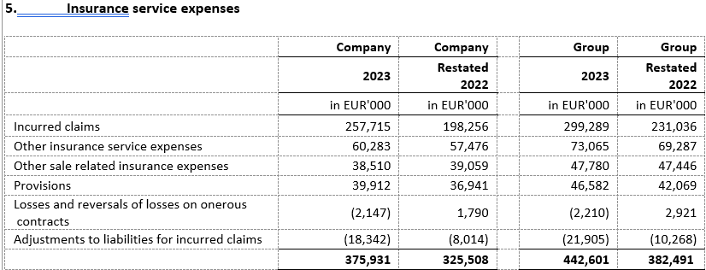
5.
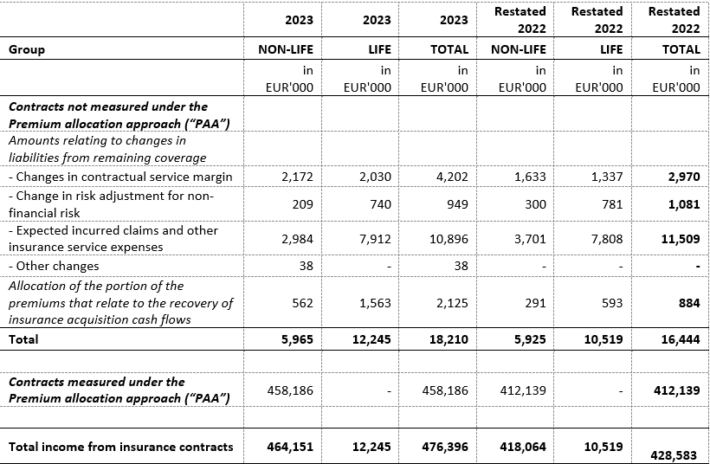

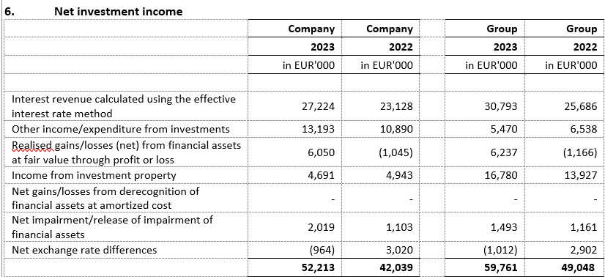

6.
The structure of liabilities as at 31 December 2023 and 31 December 2022 was as follows:

7.
The average number of employees of the Group during the current period is 3,786.

8.
The Group capitalized costs of net salaries in the amount of EUR 323 thousand (2022: EUR 539 thousand), costs of contributions from salaries in the amount of EUR 93 thousand (2022: EUR 151 thousand), costs of taxes and surcharges from salaries in the amount of EUR 71 thousand (2022: EUR 91 thousand), costs of contributions to salaries in the amount of EUR 73 thousand (2022: EUR 116 thousand) and other costs of employees in the amount of EUR 26 thousand (2022: EUR 140 thousand).

9.
Key management compensation includes gross salary, life insurance premiums, benefits in kind, bonuses in cash and shares of the parent company, termination benefits and compensation of the Supervisory Board. The remuneration of key management in the note above includes provisions for bonuses for 2023 and 2022. The paid bonuses of key management for 2023 amount to EUR 1,649 thousand for the Company (2022: EUR 1,129 thousand) and include EUR 1,078 thousand of bonus paid in shares of the parent company, and for the Group EUR 1,935 thousand (2022: EUR 1,428 thousand) and include EUR 1,106 thousand of bonus paid in shares of the parent company.

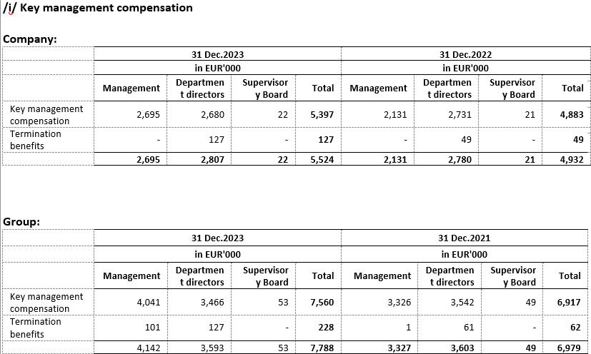

10.
The average number of employees of the Group during the current period is 3,786. The breakdown of staff costs is dislosed in notes 5.1 and 10 to the audited financial statements for the year 2023.

11.
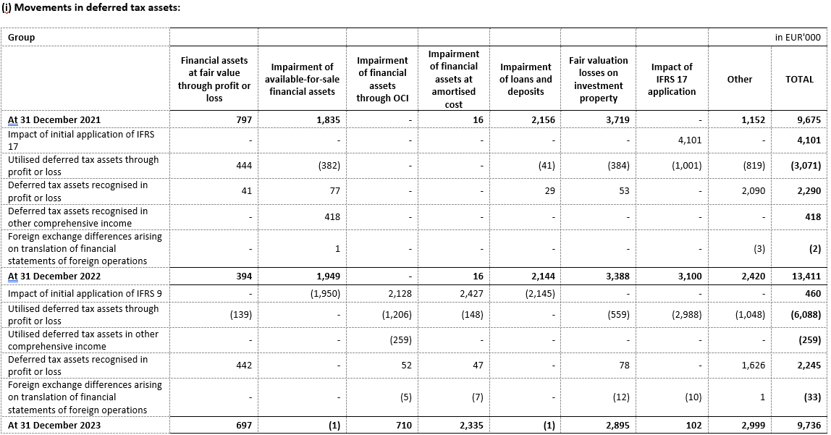

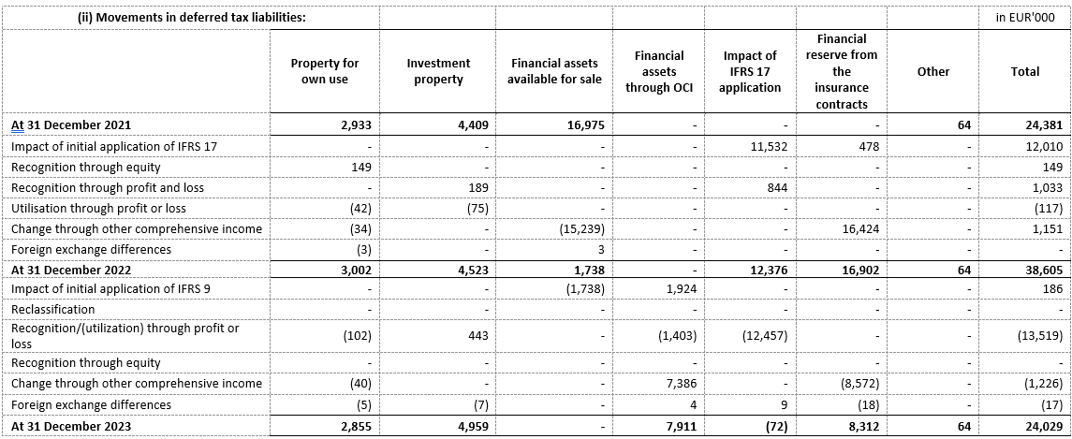



12.
In consolidation, the equity method is used for the valuation of investments in associates Agroservis - STP d.o.o., Virovitica (37%) and joint venture PBZ CROATIA osiguranje d.d. (50.0%). The following is a summary of financial information for PBZ CROATIA osiguranje d.d. for the last year for which the annual financial statements have been adopted and which have been presented for the Group using the equity method.

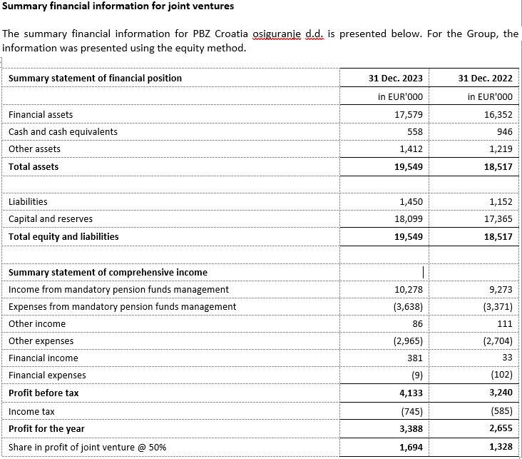

13.
There were no transactions of subscription of shares during the financial year within the limits of the authorised capital. Based on the provisions of the Act on the introduction of the euro as the official currency in the Republic of Croatia and the provisions of the Companies Act, the Company proposed at the general assembly a decision on the adjustment of the share capital and the nominal amount of the Company's shares in such a way as to increase the amount of the nominal value of the share from EUR 185.81, obtained by conversion into euros using a fixed conversion rate with rounding to the nearest cent, to the amount of EUR 186.00.The aforementioned increase in the nominal amount of the share is carried out in order to round the nominal amount of the shares to a whole number, as prescribed by Article 163, paragraph 4 of the Companies Act.

14.

15.
The Group has no participation certificates, convertible debentures, warrants, options or similar securities or rights.

16.
The Group has no shares in companies having unlimited liability.

17.
CROATIA osiguranje d.d. is majorly owned by ADRIS GRUPA d.d., Rovinj and is included in the consolidated financial statements of ADRIS GRUPA d.d. which are available on the website of ADRIS GRUPA d.d.

18.
The largest group of undertakings of which the undertaking forms part as a controlled group member is also the only group in which the undertaking forms part as a controlled group member.

19.
Financial statements are available on the Internet page adris.hr

20.
Decision on determining the proposal of the Decision on the use of the profits 2023 of Croatia osiguranje d.d. is attached to the audited financial statements for the year 2023.

21.
The Group has no material arrangement that are not included in the presented financial statements.

22.
Significant business events in the reporting period On 19 January 2024, the Management Board and the Supervisory Board proposed to the General Assembly the payment of a dividend in the total amount of EUR 65,000,265.19, or EUR 151.27 per share. The Company has been operating successfully in the past years, with a growing level of profit and high capital adequacy rates. The Company was continuously highly capitalized (SCR ratio of the Company is 308%, i.e. at the consolidated level 262%, and includes capital reduction for foreseeable dividends), despite geopolitical disturbances, a period of high inflation and natural disasters. The entry of the Republic of Croatia into the Eurozone additionally contributed positively to the above indicator. Considering all the above, the Management Board believes that it is able to pay the dividend to its shareholders without disrupting the stability of operations and while maintaining a high level of capital adequacy. The Company announced that the member of the Management Board, Vančo Balen, will leave the company by 30 June 2024 on personal request, for private reasons.

23.
An overview of the Group's revenues by geographical area is shown below:
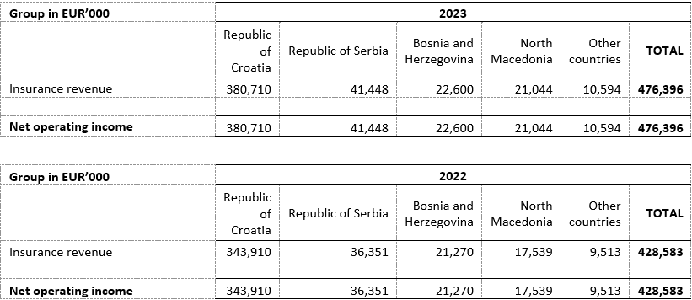

24.
The auditors of the Group’s financial statements have provided services in 2023 in the amount of EUR 571 thousand plus value added tax (2022: EUR 867 thousand plus value added tax). The Company was provided services in the amount of EUR 383 thousand plus value added tax (2022: EUR 663 thousand plus value added tax). Services in 2023 and 2022 relate to the costs of the statutory audit of annual financial statements and related audit services. During 2023, PricewaterhouseCoopers d.o.o. (“PwC”) provided educational services while in 2022 it provided educational and advisory services. During 2023 and 2022, Deloitte d.o.o. provided permitted tax advisory services.

The reconciliation between the financial statements as prescribed by the Ordinance on the structure and content of financial statements of insurance and reinsurance companies, and the annual financial statements prepared in accordance with the IFRS reporting framework is presented below.

Reconciliation of the statement of comprehensive income prepared in accordance with the HANFA format and the format of the financial statements prepared in accordance with the IFRS reporting framework

Position description | EUR '000 | 1 | 2 | 3 | Basic financial statements
 |  |  |  |  | EUR '000 | Position description
Income from insurance contracts | 476,396 |  |  |  | 476,396 | Insurance revenue
General measurement model | 17,381
Variable fee approach | 828
Premium allocation approach | 458,186
Expenditure from insurance contracts | -442,601 |  |  |  | -442,601 | Insurance service expenses
Claims incurred | -299,289
Commissions | -46,582
Other expenses related to the sale of insurance | -47,780
Other insurance service expenses | -73,065
Depreciation of insurance acquisition costs | -
Losses and reversal of losses on onerous contracts | 2,210
Change in liabilities for claims incurred | 21,906
Net result of (passive) reinsurance contracts | -8,542 |  |  |  | -8,542 | Net result of (passive) reinsurance contracts
Income from (passive) reinsurance contracts | 53,696
Expenditure from (passive) reinsurance contracts | -62,238
Result from insurance contracts | 25,253 |  |  |  | 25,253 | Result from insurance contracts
Net investment result | 59,761 |  |  |  | 59,761 | Net investment income
Net result from investment in land and buildings | 16,780 |  |  |  | 16,780 | Income from investment property
Rental gains/losses (net) | 14,084
Realised gains/losses (net) from property not for own use | 37
Unrealised gains/losses (net) from property not for own use | 2,659
Depreciation of land and buildings not occupied by an undertaking for its own activities | -
Interest revenue calculated using the effective interest rate method | 30,793 |  |  |  | 30,793 | Interest revenue calculated using the effective interest rate method
Other interest income | 1,115 |  | -1,115
Dividend income | 7,784 |  |  | -7,784
Unrealised gains/losses (net) from financial assets at fair value through profit or loss | 4,051 |  | 2,186 |  | 6,237 | Realised gains/losses (net) from financial assets at fair value through profit or loss
Realised gains/losses | 1,363
Realised gains/losses (net) from financial assets at fair value through profit or loss | 1,071 |  | -1,071
Realised gains/losses (net) from financial assets at fair value through other comprehensive income | 293 |  |  | -293
Other realised gains/losses (net) | -
Net impairment / reversal of impairment of investments | 1,493 |  |  |  | 1,493 | Net impairment/release of impairment of financial assets
Net exchange rate differences | -1,012 |  |  |  | -1,012 | Net exchange rate differences
Other income from investments | 795 |  |  | 4,675 | 5,470 | Other income/expenditure from investments
Other expenditure from investments | -3,402 |  |  | 3,402
Net financial expenditure from insurance and (passive) reinsurance contracts | -6,117 |  |  |  | -6,117 | Net financial result from insurance and (passive) reinsurance contracts
Net financial income/expenditure from insurance contracts | -6,907 |  |  |  | -6,907 | Net financial result from insurance contracts
Net financial income/expenditure from (passive) reinsurance contracts | 790 |  |  |  | 790 | Net financial result from (passive) reinsurance contracts
Change of liability for investment contracts | -
Other income | 31,104 | -475 |  |  | 30,629 | Other income
Other operating expenses | -40,794 | 475 |  |  | -40,319 | Other operating expenses
Other financial expenses | -1,815 |  |  |  | -1,815 | Other financial expenses
Share of profit of companies consolidated using equity method, net of tax | 1,781 |  |  |  | 1,781
Profit or loss of the accounting period before tax (+/-) | 69,174 |  |  |  | 69,174 | Profit before tax
Tax on profit or loss | -10,721 |  |  |  | -10,721 | Income tax
Current tax expense | -20,397
Deferred tax expense/ income | 9,676
Profit or loss of the accounting period after tax (+/-) | 58,453 |  |  |  | 58,453 | Profit for the year

1. Income and expenses from the sale of land and buildings and income from reversal of impairment of investments are recorded on a net basis.
2. Other interest income, Realised gains/losses (net) from financial assets at fair value through profit or loss and Unrealised gains/losses (net) from financial assets at fair value through profit or loss are presented in position Net gains/losses (net) from financial assets at fair value through profit or loss.
3. Dividend income, Realised gains/losses (net) from financial assets at fair value through other comprehensive income, Other expenditure from investments and Other income from investments are presented in position Other income/expenditure from investments.

Reconciliation of the statement of financial position prepared in accordance with the HANFA format and the financial statementsin accordance with the IFRS reporting framework

Position description | EUR '000 | 1 | 2 | 3 | 4 | 5 | Basic financial statements
 |  |  |  |  |  |  | EUR '000 | Position description
INTANGIBLE ASSETS | 19,391 |  |  |  |  |  | 19,391 | Intangible asset
Goodwill | -
Other intangible assets | 19,391
TANGIBLE ASSETS | 120,886 | -396 |  |  |  |  | 120,490 | Property at revaluation model and Property and equipment at cost model
Land and buildings occupied by an undertaking for its own activities | 58,548 | -396
Equipment | 15,817
Other tangible assets and inventories | 46,521
INVESTMENTS | 1,489,254 |  | -43,627 |  |  |  | 1,445,627
Investments in land and buildings not occupied by an undertaking for its own activities | 138,689 |  |  |  |  |  | 138,689 | Investment property
Investments in subsidiaries, associates and joint ventures | 10,123 |  |  |  |  |  | 10,123 | Investments in subsidiaries, associates and participation in joint ventures
Shares and holdings in subsidiaries | -
Shares and holdings in associates | 789
Shares and holdings in joint ventures | 9,334
Financial assets | 1,340,442 |  | -43,627 |  |  |  | 1,296,815 | Financial assets
Financial assets at amortised cost | 437,868 |  | -43,627 |  |  |  | 394,241 | Financial assets at amortised cost
Debt financial instruments | 301,800
Deposits with credit institutions | 116,180 |  | -43,627
Loans | 6,559
Other | 13,329
Financial assets at fair value through other comprehensive income | 756,730 |  |  |  |  |  | 756,730 | Financial assets at fair value through other comprehensive income
Equity financial instruments | 138,812
Debt financial instruments | 617,917
Units in investment funds | -
Other | -
Financial assets at fair value through profit and loss account | 145,844 |  |  |  |  |  | 145,844 | Financial assets at fair value through profit and loss account
Equity financial instruments | 387
Debt financial instruments | 10,964
Units in investment funds | 134,007
Derivative financial instruments | 486
Other | -
ASSETS FROM INSURANCE CONTRACTS | 16,997 |  |  |  |  |  | 16,997 | Assets from insurance contracts
General measurement model | 13,311
- Assets for remaining coverage | -1,478
- Assets for insurance acquisition cash flows | -
- Assets from claims incurred | 14,789
Variable fee approach | -
- Assets for remaining coverage | -
- Assets for insurance acquisition cash flows | -
- Assets from claims incurred | -
Premium allocation approach | 3,686
- Assets for remaining coverage | 6,050
- Assets for insurance acquisition cash flows | -
- Assets from claims incurred | -2,364
ASSETS FROM REINSURANCE CONTRACTS | 54,438 |  |  |  |  |  | 54,438 | Assets from reinsurance contracts
DEFERRED AND CURRENT TAX ASSETS | 11,534 |  |  |  |  | -10,627 | 907
Deferred tax assets | 9,737 |  |  |  |  | -8,830 | 907 | Deferred tax assets
Current tax assets | 1,797 |  |  |  |  | -1,797 | - | Current income tax assets
OTHER ASSETS | 75,807 | 396 | 43,626 | - | -10,904 |  | 108,925
CASH AT BANK AND IN HAND | 23,197 |  | 43,626 |  |  |  | 66,823 | Cash and cash equivalents
Funds in the business account | 22,924 |  | 43,626
Funds in the account of assets covering liabilities from life insurance contracts | 159
Cash in hand | 114
Fixed assets held for sale and discontinued operations | 267 |  |  | -267
Other | 52,343 | 396 |  | 267 | -10,904 |  | 42,102 | Trade receivables and other receivables
TOTAL ASSETS | 1,788,307 | - | -1 | - | -10,904 | -10,627 | 1,766,775
OFF-BALANCE SHEET ITEMS | 83,851 |  |  |  |  |  | 83,851

1. Inventories are recorded together with trade and other receivables.
2. Deposits with contractual maturity up to 3 months are recorded together with cash and cash equivalents.
3. Fixed assets held for sale and discontinued operations is recorded on the position Trade and other receivables.
4. Internal receivables are offset with corresponding liabilities in the Basic financial statements.
5. Deferred tax assets and liabilities are recorded on a net basis in the Basic financial statements.

Position description | EUR '000 | 1 | 2 | 3 | 4 | 5 | Basic financial statements
 |  |  |  |  |  |  | EUR '000 | Position description
CAPITAL AND RESERVES | 764,411 |  |  |  |  |  | 764,411 | Capital and reserves
Subscribed capital | 78,296 |  |  |  |  |  | 78,296 | Subscribed share capital
Paid in capital - ordinary shares | 78,296
Paid in capital - preference shares | -
Premium on shares issued (capital reserves) | 90,448 |  |  |  |  |  | 90,448 | Premium on issued shares
Revaluation reserves | 47,302 |  |  |  | 44,129 |  | 91,431 | Revaluation reserve
Land and buildings | 14,052
Financial assets | 33,228
Other revaluation reserves | 22
Financial reserves from insurance contracts | 44,129 |  |  |  | -44,129 |  | -
Reserves | 53,279 |  |  |  |  |  | 53,279 | Reserves
Legal reserves | 3,992
Statutory reserve | 19,459
Other reserves | 29,828
Retained profit or loss brought forward | 392,576 |  |  |  |  | 58,381 | 450,957 | Retained earnings
Retained profit | 392,576 |  |  |  |  | 58,381
Loss brought forward (-) | -
Profit or loss for the current accounting period | 58,381 |  |  |  |  | -58,381
Profit for the current accounting period | 58,381 |  |  |  |  | -58,381
Loss for the current accounting period (-) | -
SUBORDINATE LIABILITIES | -
MINORITY INTEREST | 747 |  |  |  |  |  | 747
LIABILITIES FROM INSURANCE CONTRACTS | 861,986 |  |  |  |  |  | 861,986 | Liabilities from insurance contracts
General measurement model | 393,077
- Liabilities for remaining coverage | 379,868
- Assets for insurance acquisition cash flows | -
- Liabilities for claims incurred | 13,209
Variable fee approach | 24,392
- Liabilities for remaining coverage | 21,480
- Assets for insurance acquisition cash flows | -
- Liabilities for claims incurred | 2,912
Premium allocation approach | 444,516
- Liabilities for remaining coverage | 117,318
- Assets for insurance acquisition cash flows | -
- Liabilities for claims incurred | 327,198
LIABILITIES FROM REINSURANCE CONTRACTS | 4,025 |  |  |  |  |  | 4,025 | Liabilities from reinsurance contracts
LIABILITY FOR INVESTMENT CONTRACTS | -
OTHER PROVISIONS | 8,486 | -401 |  |  |  |  | 8,085 | Provisions
Provisions for pensions and similar obligations | 8,085
Other provisions | 401 | -401
DEFERRED AND CURRENT TAX LIABILITIES | 37,893 |  |  | -10,627 |  |  | 27,266
Deferred tax liability | 24,030 |  |  | -8,830 |  |  | 15,200 | Deferred tax liability
Current tax liability | 13,863 |  |  | -1,797 |  |  | 12,066 | Current income tax liability
FINANCIAL LIABILITIES | 48,240 |  |  |  |  |  | 48,240
Loan liabilities | 80
Liabilities for issued financial instruments | -
Liabilities for derivative financial instruments | 91
Liability for unpaid dividend | 213
Other financial liabilities | 47,857
OTHER LIABILITIES | 62,518 | 401 | -10,904 |  |  |  | 52,015 | Accounts payable and other liabilities
Liabilities for disposal and discontinued operations | 1
Accruals and deferred income | 17,819
Other liabilities | 44,699 | 401
TOTAL LIABILITIES | 1,788,307 | - | -10,904 | -10,627 |  |  | 1,766,775
OFF-BALANCE SHEET ITEMS | 83,851 |  |  |  |  |  | 83,851

1. In the Basic financial statements, Other provisions are recorded within position Accounts payable and other liabilities.
2. Internal liabilities are offset with corresponding receivables in the Basic financial statements.
3. Deferred tax assets and liabilities are offset in the Basic financial statements.
4. In basic financial statements, Financial reserves from insurance contracts is recorded on position Revaluation reserves.
5. Profit or loss for the current accounting period is presented together with retained earnings in the financial statements prepared in accordance with the IFRS reporting framework.

Statement of cash flow The statement of cash flows has been prepared in accordance with the Ordinance on the structure and content of financial statements of insurance and reinsurance companies ("the Ordinance") but its presentation differs from the statement of cash flows in the financial statements. The main differences in presentation are described below: 1. Differences in the statement of cash flows in the financial statements prepared in accordance with the IFRS reporting framework and the statement of cash flows under the Ordinance arise due to differences in the relevant positions of assets and liabilities due to the different presentation in the financial statements compared to the Ordinance. These differences are presented in the adjustments of the statement of financial position (balance sheet). 2. Cash and cash equivalents at the beginning and end of the period presented in the basic financial statements include deposits with contractual maturity up to 3 months as opposed to cash and cash equivalents at the beginning and end of the period presented in the statement of cash flows under the Ordinance.

Statement of changes in equity In the statements under the Ordinance, profit/loss for the current year is presented in the eponymous column and in the subsequent period, upon adoption of the Decision of the General Assembly and the Supervisory Board, profit/loss is transferred through Other non-owner changes in equity to Retained earnings, while in the basic financial statements it is presented under Retained earnings.

